Job Details

Job Number & Name: | 35084 LB Bexley
Site Number/Name: | Site 8 - Colyers Lane
Client: | Waterman
Date: | 2023-03-30

Site Plan
Advanced Transport Research |  |  | Job Number & Name: | 35084 LB Bexley
Site 8 - Colyers Lane |  |  | Date: | 2023-03-30

Job Type: | Pedestrian & Vehicle Count
Co-ordinates: | 51°28'15.52"N, 0°10'25.03"E | Postcode: | DA8 3NZ |  | Times: | 0730-0930 1430-1630

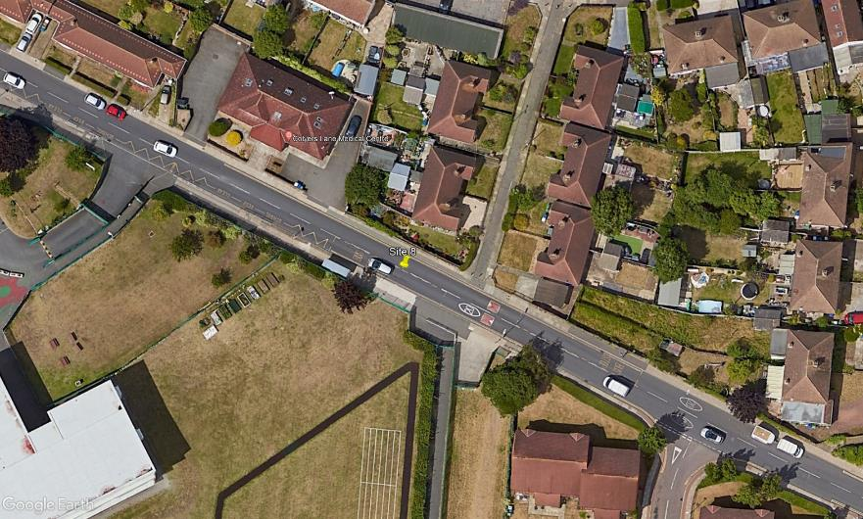
N

Colyers Lane

3
2

D

C

A

B

1

Swallow Close

